Sheet1
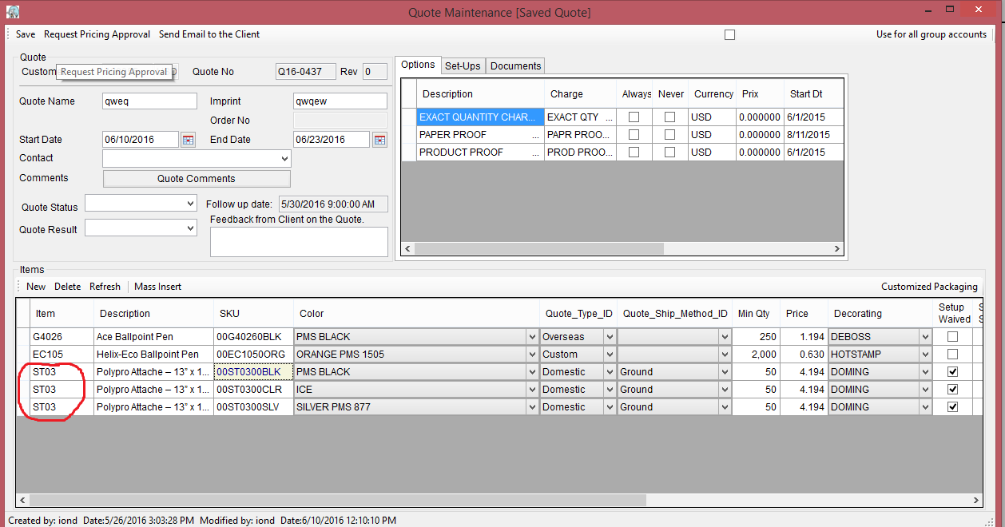
Update in Customer file

Now when you add an Item line in "Quote","Programs" or "Special Pricing"
and you choose Item Color = "ALL" and you leave from cell it will open a form where you will have
displayed the same parametres like in the line for the items
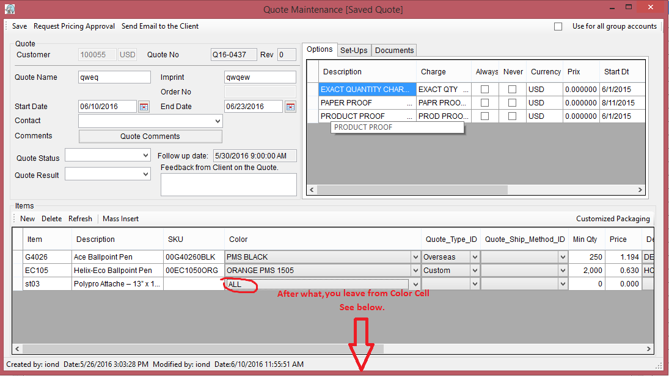

But in the grid All Color with SKU you will have all color for this item.

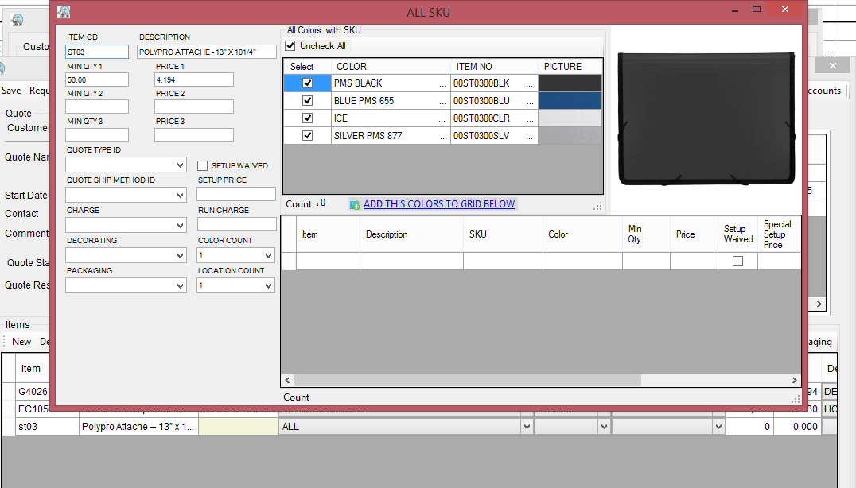

Next Step is filling all properties which you need.
By default the MIN QTY 1 it will be populate with the min qty for this client same with the price
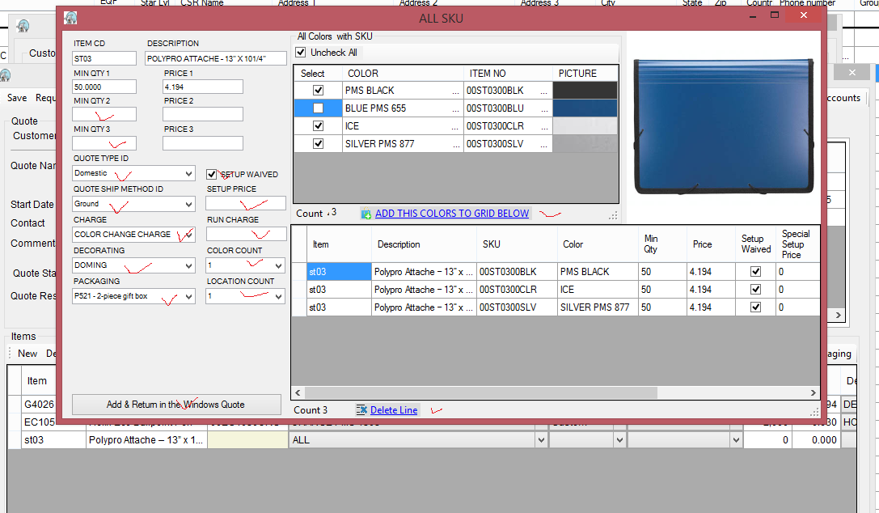

- MIN QTY 2 or 3 are optionaly
If MiIN QTY 2 or 3 is populate the PRICE 2 an 3 also they will be populate fom DB .
And for each Price, the line number default it will multiplied with checked line in the table Color
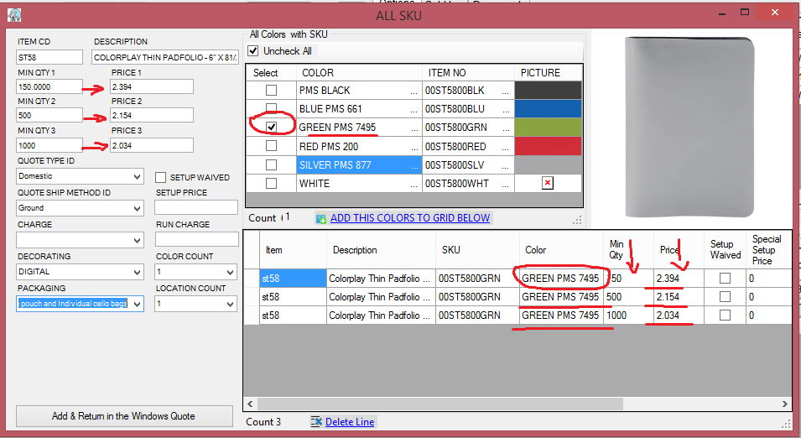

Delete Line- for remove line which you do not need .
Click on the row, row it will be selected and if you need in same the time remove more line you can use combination Ctrl + left mouse click on the row

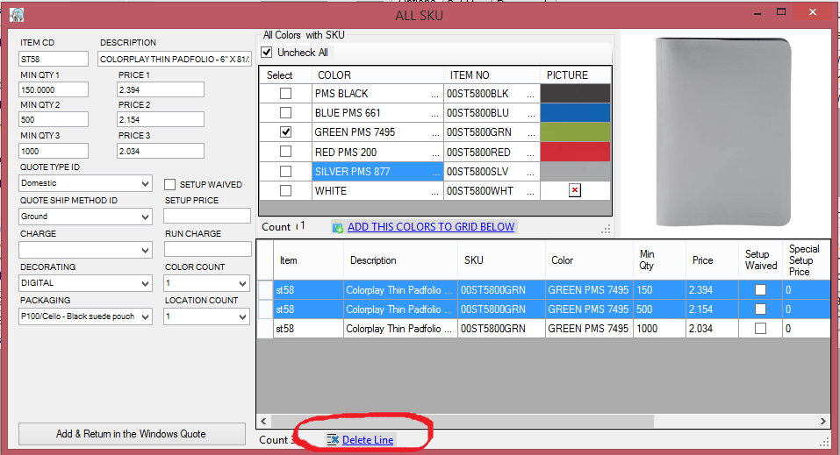

And finnaly click on The Add & Return in the Windows .. You will export al the info

Sheet3


